Sheet1
Spine
The structure of the spine: 33 Vertebrae and 5 regions. |  | Vertical Compression Strength at slow loading rates: | Disc size is significantly larger compared to facet. Facet size is almost peanut.
A: 7 Cervical Vertebrae: C6 Injury can cause Paralysis C1-C7 |  | For example if I am at the L5 region, about 5500 Newtons can | Therefore, load from facent needs to be significantly low.
B: 12 Thoracic Vertebrae: Is the most stable region T1-T12 |  | be withstood.
C: 5 Lumbar Vertebrae: At an angle so possible most shear stress L1-L5 |  | Once we draw FBD, come up with the answers at L5 joint, the
Entire spine is in the saggital plane: SPINE HAS DOUBLE CURVATURE |  | question then becomes are the answers valid or not?
Spinous process increases from A,B,C, as it needs to bear more load. |  | **If the answer is less than the 5500 N value, then it is a valid answer.
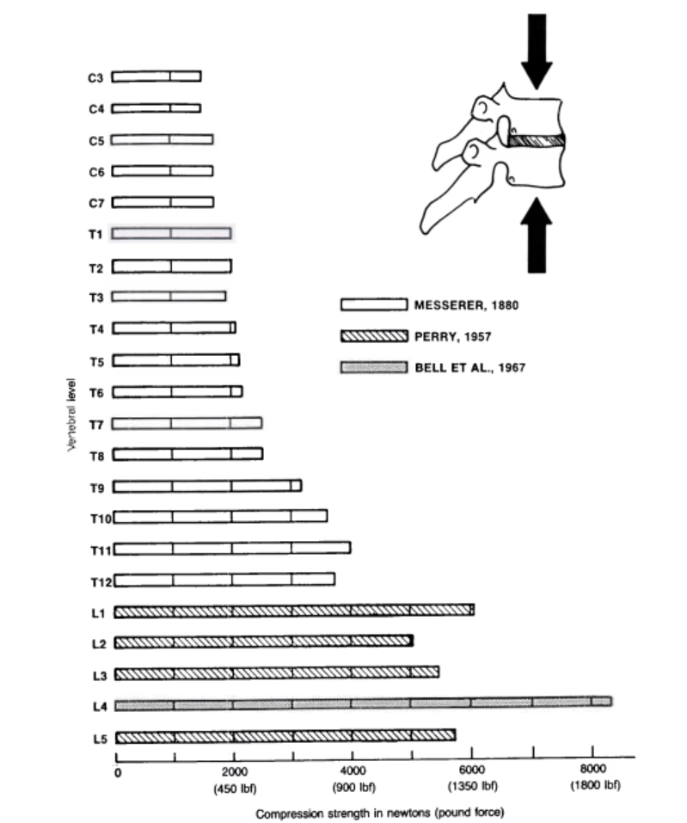
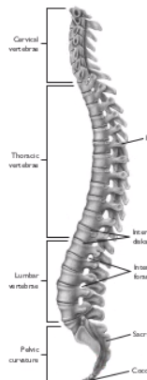
So vertical bone takes a good amount of the load, but also the facet joints!
***80% of load goes through the disk, and 20% of the laod goes through the facet joints!***

 |  |  |  | Disc size is significantly larger compared to facet.
 |  |  |  | Facet size is almost a peanut.
 |  |  | *When we keep the load close to our knees, we generate less of a bending moment caused by the forces, vs. keeping the load
 |  |  | far from our knees, and then creating a large moment, and more force on the L4/L5 vertebral joint. | Therefore, load from facet needs to be significnlty low.
 |  |  | *Intrabdominal Pressure inside the abdominal cavity, believed to help stiffen the lumber spine against buckling (WeightBelts)


Hyperextension of the Lumbar Spine creates compression at the Facet Joints.
Intervertebral Disks:

 |  |  | Low Back Pain comes from the disk rupturing and pushing into the spinal canal, putting pressure on the spinal nerves.
 |  |  | Facet Joint Syndrome: Dislocaiton that causes pressure on the spinal nerves.
 |  |  | Two thought process: Mechanical (hip/knee prothesis), Biologics: Biomaterials that rejuvinates spine.
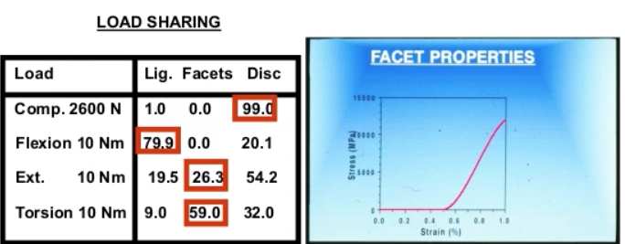

1 Pounds = 4.5 Newtons
*In the Spine the muscle force, has no contribution to the Shear Force, and only contributes to the Compressive Force, which
contradicts what we had analyzed in the ankle Joint!
***Shear force is the dominant force on the spine during flexion
*Load on lumbar spine is the lowest when laying flat, and then standing. Sitting next, then standing slouched, followed by sitting slouched.
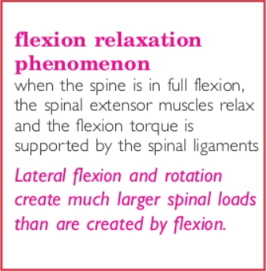
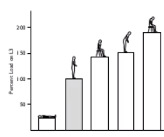


 |  |  | Torsion: Facets take the load
 |  |  | Flexion: Ligaments take load
 |  |  | Compression: Disc takes the load
 |  |  | Extension: We have a combination, where facets and disc are significant load bearers.

 | *When we tilt our body 90 degrees and relax |  | Disk structure have an outer annulus, and an inner nucleus. Like shock absorbing springs!
 | the force on the muscles goes to zero and the |  | Facet joints are in front of the disks, and combine to share the loads. Through the circular gap between both, the spinal nerve is found!
 | ligaments take on the load. Essentially, we are |  | Lumbar fusion is used to heal the disks. Insertions are put inside the disk and promotes growth.
 | transferring the load from the muscles to the |  | When R1/R2 = 4, then 25% Facet and 75% Disc
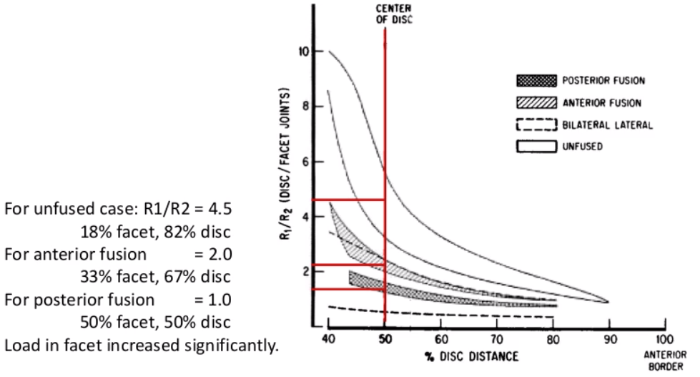
 | ligaments.
 | **Lateral flexion/rotation creates a much larger
 | spinal load than is created by flexion/extension.
 | *50 Nm of extension bending moment = 800 N
 | compression on joint, and 50 Nm of lateral flexion
 | and axial twisting bending moments generate 1400
***Hyperextension increases load on the Facet Joints!!! | and 2500 N of compression on the L4-L5 joint.
***Orientation of the facet joints changes greatly as we move from the cervical, to thoracic, to lumbar spine (0, 45, 90 degrees)

ACL: | Extra:
When the ACL gets torn then the center of rotation shifts. | *Car analysis changed such that overweight and old age and
 | female dummy's are taken into account during accidents.

